Predictions
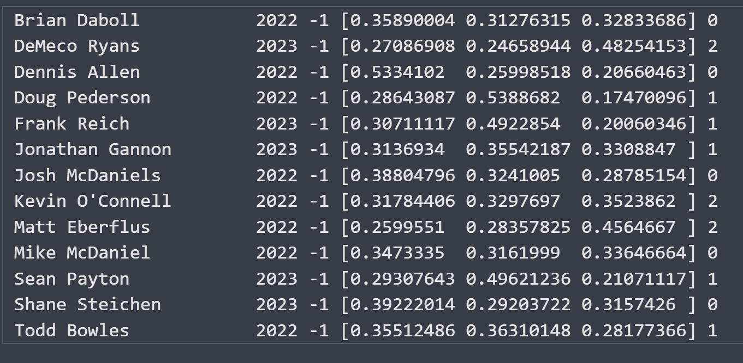
 |  |  | Class Probability
Coach Name | Hire Year | Predicted Class | Class 0 | Class 1 | Class 2
Brian Daboll | 2022 | 0 | 35.9% | 31.3% | 32.8% | 100.0% | TRUE
DeMeco Ryans | 2023 | 2 | 27.1% | 24.7% | 48.3% | 100.1% | TRUE
Dennis Allen | 2022 | 0 | 53.3% | 26.0% | 20.7% | 100.0% | TRUE
Doug Pederson | 2022 | 1 | 28.6% | 53.9% | 17.5% | 100.0% | TRUE
Frank Reich | 2023 | 1 | 30.7% | 49.2% | 20.1% | 100.0% | TRUE
Jonathan Gannon | 2023 | 1 | 31.4% | 35.5% | 33.1% | 100.0% | TRUE
Josh McDaniels | 2022 | 0 | 38.8% | 32.4% | 28.8% | 100.0% | TRUE
Kevin O'Connell | 2022 | 2 | 31.8% | 33.0% | 35.2% | 100.0% | TRUE
Matt Eberflus | 2022 | 2 | 26.0% | 28.4% | 45.6% | 100.0% | TRUE
Mike McDaniel | 2022 | 0 | 34.7% | 31.6% | 33.6% | 99.9% | TRUE
Sean Payton | 2023 | 1 | 29.3% | 49.6% | 21.1% | 100.0% | TRUE
Shane Steichen | 2023 | 0 | 39.2% | 29.2% | 31.6% | 100.0% | TRUE
Todd Bowles | 2022 | 1 | 35.5% | 36.3% | 28.2% | 100.0% | TRUE

Coach Name | Hire Year | Predicted 2-Year Win Prob.
Brian Daboll | 2022 | 0.422
DeMeco Ryans | 2023 | 0.457
Dennis Allen | 2022 | 0.378
Doug Pederson | 2022 | 0.415
Frank Reich | 2023 | 0.451
Jonathan Gannon | 2023 | 0.454
Josh McDaniels | 2022 | 0.410
Kevin O'Connell | 2022 | 0.551
Matt Eberflus | 2022 | 0.382
Mike McDaniel | 2022 | 0.491
Sean Payton | 2023 | 0.395
Shane Steichen | 2023 | 0.408
Todd Bowles | 2022 | 0.471

